FAN1
0 | sensor unit1, sensor value, 00: unsgined | unsigned
12 | sensor unit2, unit type code | RPM | refer to Table 43- Sensor Unit Type Codes
0 | sensor unit3, usually unused | unused
0 | Linearization | linear |  | y=Mx+B, x is raw data
8C | M | 140 | Signed Integer Constant Multiplier M: LS 8 bits | M is composed of first 2 bits of "M, Tolerance" and 8 bits of "M" as a 10-bit 2's complement number. M=signed 2'c(0010001100)=dec(140)
0 | M, Tolerance | 0 | [7:6] - M: MS 2 bits | First 2 bits: 00 is M's. Tolerance = 0
0 | B | 0 | Signed Additive Offset B: LS 8 bits | B is composed of first 2 bits of "B, Accuracy" and 8 bits of "B" as a 10-bit 2's complement number. B=signed 2'c(0010111011)=dec(187)
0 | B, Accuracy | 0 | [7:6] - B: MS 2 bits | First 2 bits: 01 is B's. Accuracy = 0
0 | Accuracy exp | 0
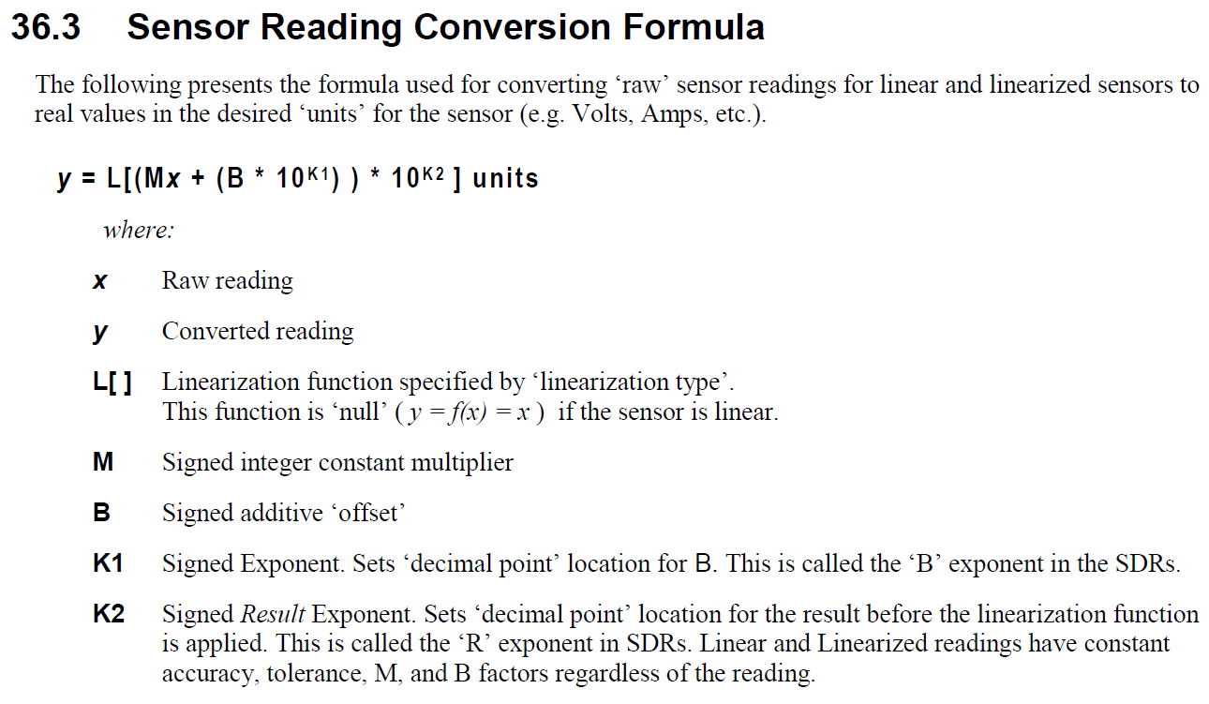
0 | R exp, B exp | 1 | K2: signed result exponent, called R exp K1: signed exponent, called B exp
7 | Analog characateristic flags
80 | Nominal Reading | 128 | 17920
AA | Norminal Maximum | 170 | 23800
14 | Norminal Minimum | 20 | 2800
FF | sensor maximum reading | 255 | 35700
0 | sensor minimum reading | 0 | 0
FF | upper non-recoverable threshold | 255 | 35700
FE | upper critical threshold | 254 | 35560
FD | upper non-critical threshold | 253 | 35420
2 | Lower non-recoverable threshold | 2 | 280
3 | Lower critical threshold | 3 | 420
5 | Lower non-critical thrshold | 5 | 700
1 | Positive-going threshold hysteresis value | 1 | 140
1 | Negative-going threshold hysteresis value | 1 | 140

